Instructions
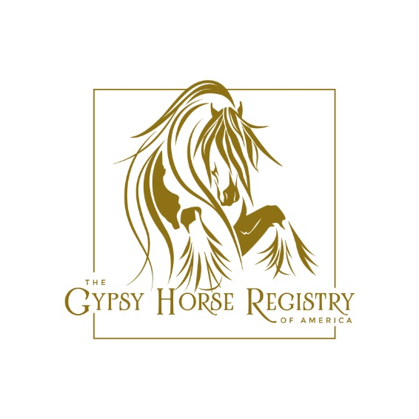

 |  | Thank you for registering your herd with Gypsy Horse Registry of America! Use this form to easily register 5+ horses with GHRA.

Form Guidelines and Criteria

1. All applications must be submitted together to receive discount.
2. All submitted applications must be complete.
3. Horse must be currently registered with one of the following registries: TGCA, GHA, GCDHA, GVHS, or the Irish Cob Society. *If your horse is registered with another Organization not listed, please contact GHRA for consideration.
4. Owner listed on the registration must match the current owner.
5. Any applications that are incomplete, will not count toward the total horses submitted.
6. Minimum 5 horses must be registered to receive special herd pricing.
7. This discount is only available to current members in good standing. If you'd like to join GHRA, please submit a membership application on our website.
8. Cannot combine multiple farms and/or people on a single submission.
9. GHRA is not responsible for misdirected or lost mail. We advise sending your packet via Priority Mail.
10. Certificates will be returned once your whole packet is processed.
11. For questions regarding herd registration, please call 903-818-0026.

Procedure to Register

1. Go to www.myghra.org, click on the myghra tab, select herd registration and follow link.
2. Download and print the Herd Registration form and complete it. Alternatively, you may complete it in Excel electronically. Save the file as <lastname> Herd Registraton.xls.
3. Copy the Front and Back of the current registration papers. Please make sure your printer is set at the highest quality resolution. GHRA may request current photos.
4. Once applications are received and checked for completion, you will receive a paypal invoice to submit payment. If you do not use Paypal, an email will be sent with the amount due. GHRA registrations will not be issued until payment in full has been received.
5. Applications can be scanned and sent electronically to: GHRAaltregistrar@gmail.com or print and mail to the following address: GHRA Herd Registration 718 Hwy 82E #239 Sherman, TX 75090

Herd Registration Pricing / Fees

The discounted fee scale is for current members. A membership application or renewal can be submitted with the registration applications.

# Applications | Discounted Price | Savings
5-10 | $ 67.50 each | $ 7.50 ea
11-15 | $ 63.75 each | $ 11.25 ea
16-25 | $ 60.00 each | $ 15.00 ea
26-40 | $ 52.50 each | $ 22.50 ea
41-60 | $ 45.00 each | $ 30.00 ea
61> | $ 37.50 each | $ 37.50 ea

